Sheet1
FOB Etobicoke,ON.
All pricing in CAD $
Solid colour per case
SIZING S-M-L-XL/ 4-8-8-4 (unless stated otherwise)
APPAREL CASE PACKS - 24 / SOCKS CASE PACK - 80
(all subject to final count at time of sale - subject to prior sale)
individually poly bagged
all with hang tags and upc's
AS OF APRIL 8th
PICTURE | D E S C R I P T I O N | Style Code | Colour | Quantities |  |  |  |  | TOTAL | Timing Available
 |  | # |  | S | M | L | XL | XXL | PCS
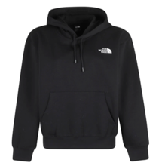
 | MEN'SFLEECE NF HOOD | MNF1FSLE | CHARCOAL | 4 | 8 | 8 | 4 |  | 24
 |  | MNF1FSLE | SKY | 4 | 8 | 8 | 4 |  | 24
 | 24 PC SOLID COLOR ASST SIZE TO | MNF1FSLE | SAND | 84 | 168 | 168 | 84 |  | 504
 | EXPORT CARTON.

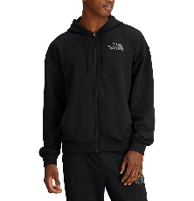
 |  |  |  | 92 | 184 | 184 | 92 |  | 552 | NOW
 | MEN'S FLEECE ZIPPER HOOD NF | MNF1BFSLE | BLACK | 188 | 376 | 376 | 188 |  | 1,128
 |  | MNF1BFSLE | NAVY | 212 | 424 | 424 | 212 |  | 1,272
 | 24 PC SOLID COLOR ASST SIZE TO | MNF1BFSLE | HGREY | 252 | 504 | 504 | 252 |  | 1,512
 | EXPORT CARTON. | MNF1BFSLE | BEIGE | 160 | 320 | 320 | 160 |  | 960

 |  |  |  | 812 | 1624 | 1624 | 812 |  | 4872 | NOW
